Bug
Release | V.1.0 | Release | V.1.0 | Release | V.1.0
Title | First Name field accepts up to 50 characters, exceeding the business requirement. | Title | First Name field accepts special characters and numbers | Title | Registration success with invalid email format and missing validation error.
Description | The First Name field accepts an excessively long input (up to 50 characters) without proper validation | Description | The First Name field accepts numeric values and special characters ( Ahmed@120) without displaying any validation error." | Description
Steps | 1-Fill your name (50 characters). 2-Fill the correct E-mail. 3-Fill the Password. 4-Fill the Country. 5-Check the " I accept the Terms & Conditions" 6-Click the Start your learning | Steps | 1-Enter a name containing special characters . 2-Fill the correct E-mail. 3-Fill the Password. 4-Fill the Country. 5-Check the " I accept the Terms & Conditions" 6-Click the Start your learning | Steps | 1-Fill the your name . 2-Fill the in crrorect E-mail. 3-Fill the Password. 4-Fill the Country. 5-Check the " I accept the Terms & Conditions" 6-Click the Start your learning
Expected result | The system should display a validation error message "Name is too long" or "Maximum limit is 30 characters" and prevent registration. | Expected result | The system should display an error message ( "Name can only contain letters") and prevent registration. | Expected result | The system should display a validation error message "Email is invalid" and prevent the user from completing the registration
Actual Result | The system accepted the 50 characters and registered the user successfully without any error. | Actual Result | The system accepted the special characters and registered the user successfully without any error message. | Actual Result | The account was created successfully and the system redirected to the Home page despite the invalid email format
Environment | Chrome 146.0.7680.178 | Environment | Chrome 146.0.7680.178 | Environment | Chrome 146.0.7680.178
Screenshot | 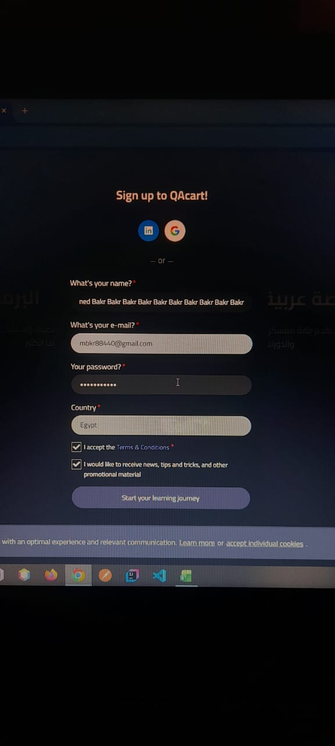 | Screenshot | 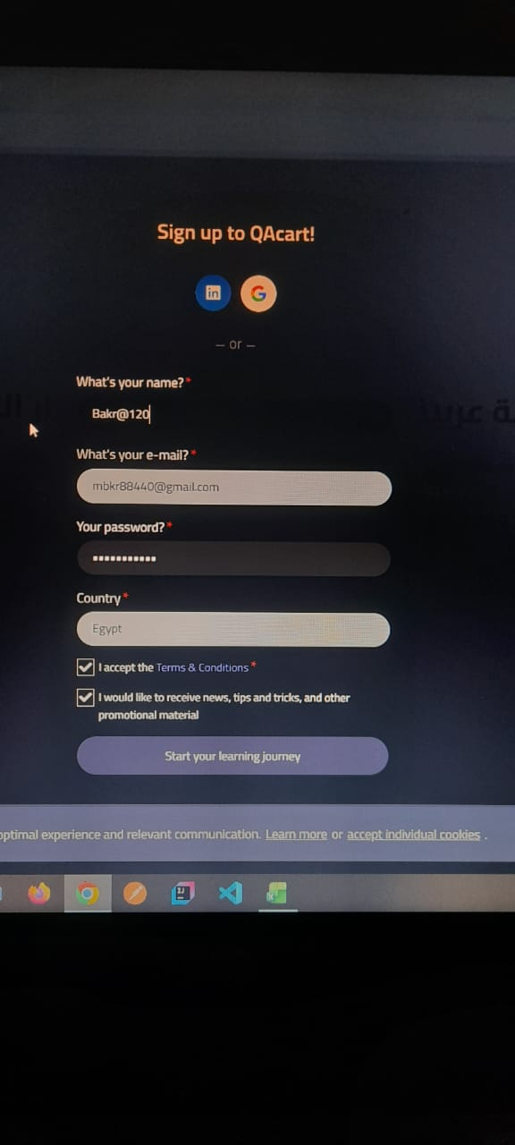 | Screenshot | 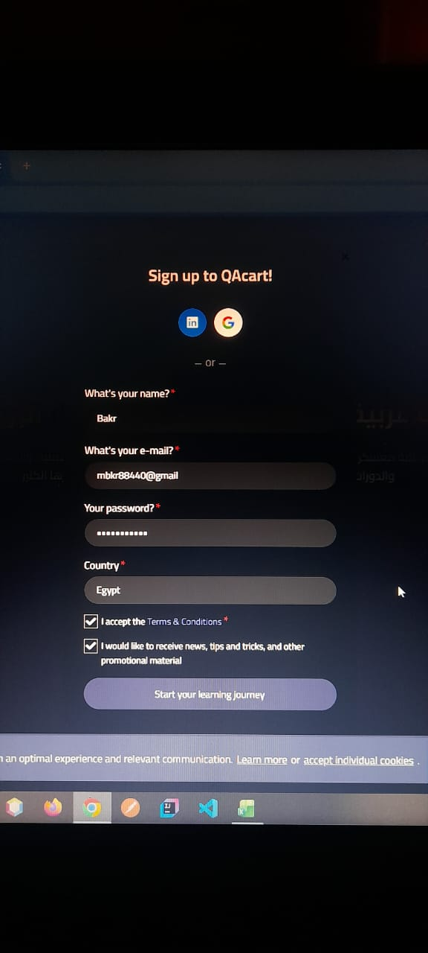
Rate | 5*5 | Rate | 5*5 | Rate | 5*5
Priority | A | Priority | A | Priority | A
Status | open | Status | open | Status | open

